AVS
1. Fixed PDOs:
- 19.5V* 9.5A= 185 W (V regulation is ±5% including cable compensation)
- 20.3V* 9.3A=189W (V regulation is±3% including cable compensation)
- 28.5V* 7.8A= 222W (V regulation is±3% including cable compensation)
- 36.5V* 6.44A= 235W (V regulation I +4% -4 % including cable compensation)
- 48.7V* 6.78A= 330W (V regulation I +4% -4% including cable compensation)

2. AVS APDO
- 20V~ 48.7V* 6.78A= 135.6W~ 330.19W (V regulation is±4% including cable compensation)

The power of Souris 330W exceeds the 0~255 wattage range defined by USB PD, we need to define different units based on USB PD Spec.

6.78A
6.78A
330w
330.19w

Source side - changed from 1W/unit to 2W/unit.
Maximum PDP range is 510W.

Source side - changed from 10/unit to 20mA/unit.
The maximum range of requested current is 20.46A.

Sink side - changed from 50mA/unit to 100mA/unit.
The maximum range of operating current is 12.7A.

48.7V
20V
6.78A

EPR AVS
Maximum current = Adapter Power / AVS Maximum voltage
Example:
AVS Maximum current = 350W / 48.7V = 6.78A

Sink side - changed from 10mA/unit to 20mA/unit.
The maximum range of requested current is 20.46A.

Flowchart and timing chart
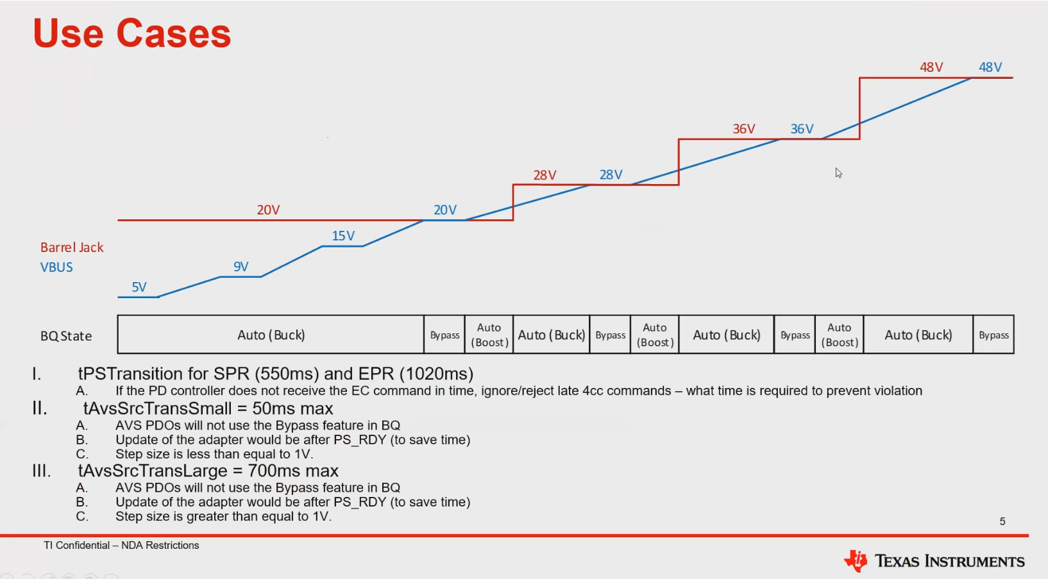
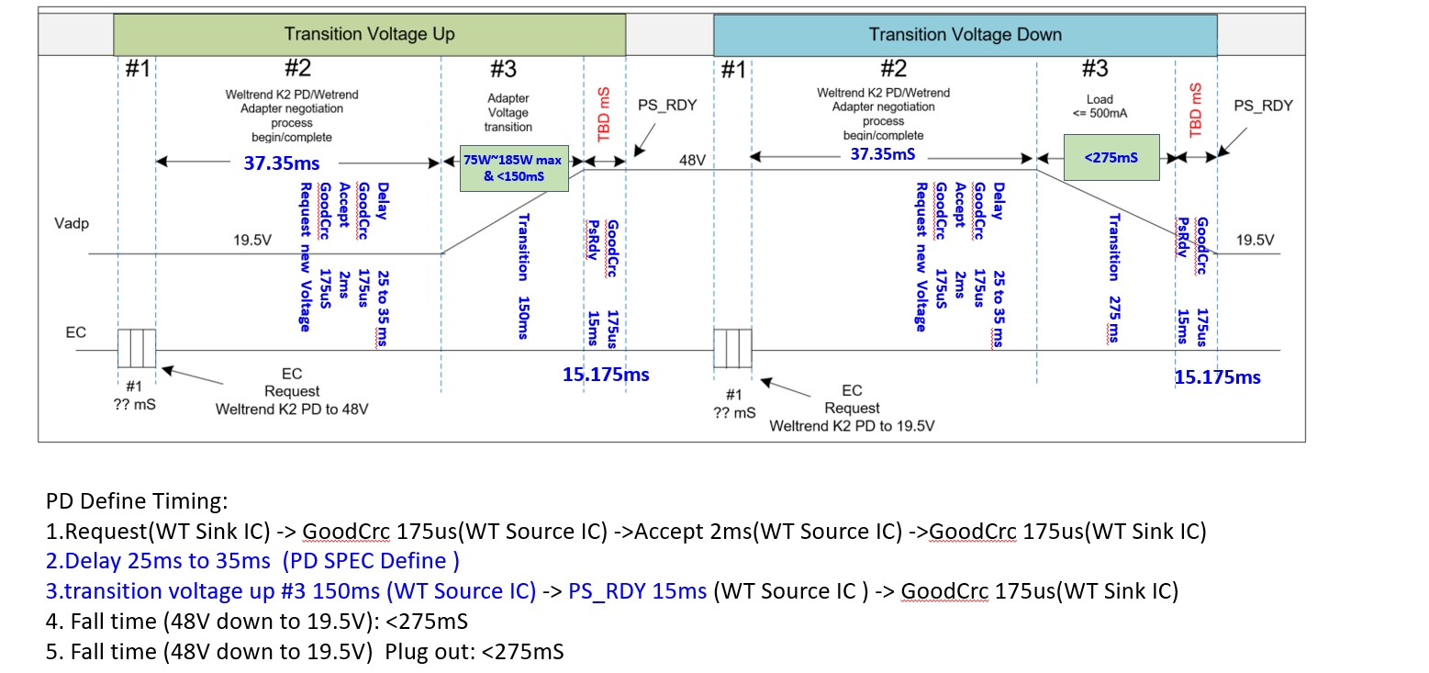

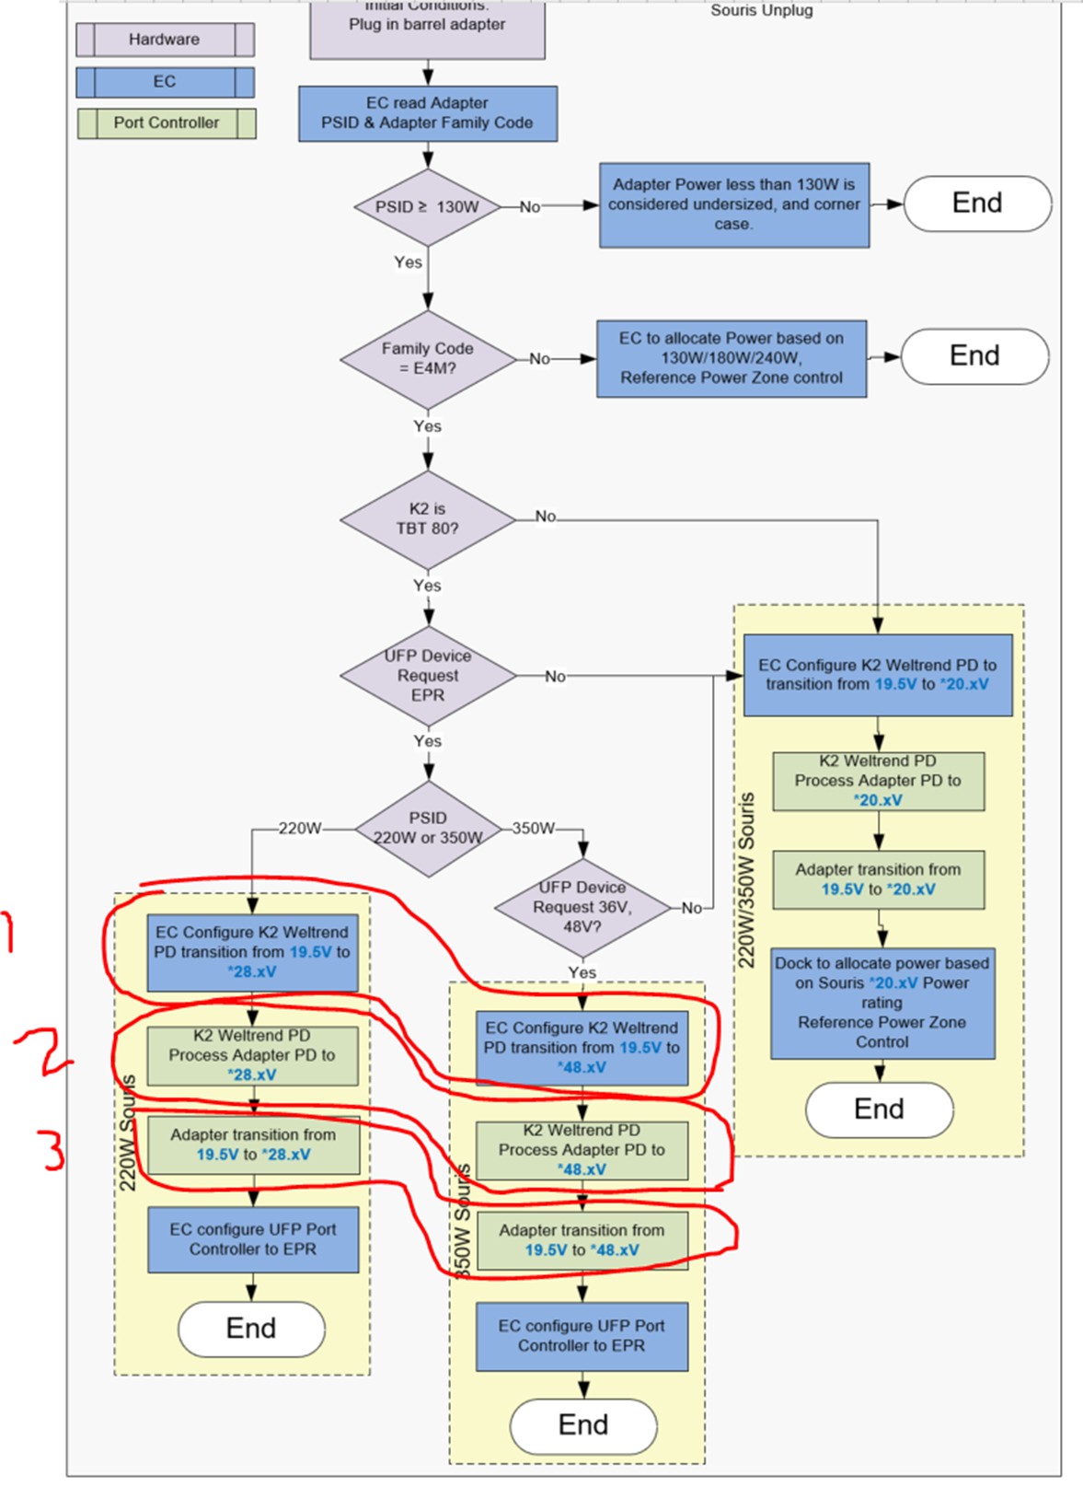

5A is the maximum current for adjacent voltage transitions

